Summary and Charts
Statistics | Charts | Trades | Formula | Settings | Symbols | Monte Carlo
 |  |  |  | 1. Portfolio Equity
Statistics
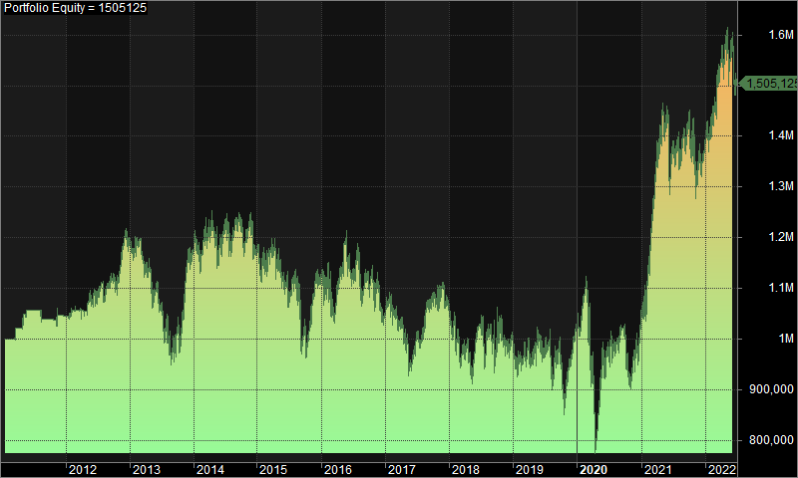
 | All trades | Long trades | Short trades
Initial capital | 1000000 | 1000000 | 1000000
Ending capital | 1505124.64 | 1000000 | 1505124.64
Net Profit | 505124.64 | 0 | 505124.64
Net Profit % | 50.51% | 0.00% | 50.51%
Exposure % | 3.58% | 0.00% | 3.58%
Net Risk Adjusted Return % | 1412.07% | N/A | 1412.07%
Annual Return % | 3.63% | 0.00% | 3.63%
Risk Adjusted Return % | 101.56% | N/A | 101.56%
Total transaction costs | 1178223.31 | 0 | 1178223.31

All trades | 1605 | 0 (0.00 %) | 1605 (100.00 %)
Avg. Profit/Loss | 314.72 | N/A | 314.72
Avg. Profit/Loss % | 2.92% | N/A | 2.92%
Avg. Bars Held | 114.41 | N/A | 114.41

Winners | 708 (44.11 %) | 0 (0.00 %) | 708 (44.11 %)
Total Profit | 8871499.31 | 0 | 8871499.31
Avg. Profit | 12530.37 | N/A | 12530.37
Avg. Profit % | 40.01% | N/A | 40.01%
Avg. Bars Held | 182.35 | N/A | 182.35
Max. Consecutive | 7 | 0 | 7
Largest win | 64684.7 | 0 | 64684.7
# bars in largest win | 377 | 0 | 377
 |  |  |  | 2. Underwater Equity

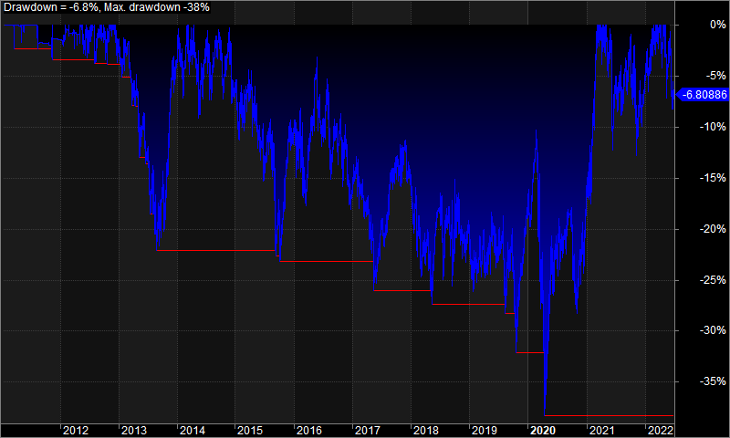
Losers | 897 (55.89 %) | 0 (0.00 %) | 897 (55.89 %)
Total Loss | -8366374.67 | 0 | -8366374.67
Avg. Loss | -9327.06 | N/A | -9327.06
Avg. Loss % | -26.35% | N/A | -26.35%
Avg. Bars Held | 60.78 | N/A | 60.78
Max. Consecutive | 12 | 0 | 12
Largest loss | -91110.7 | 0 | -91110.7
# bars in largest loss | 13 | 0 | 13

Max. trade drawdown | -91110.7 | 0 | -91110.7
Max. trade % drawdown | -97.68 | 0 | -97.68
Max. system drawdown | -480617.28 | 0 | -480617.28
Max. system % drawdown | -38.32% | 0.00% | -38.32%
Recovery Factor | 1.05 | N/A | 1.05
CAR/MaxDD | 0.09 | N/A | 0.09
RAR/MaxDD | 2.65 | N/A | 2.65
Profit Factor | 1.06 | N/A | 1.06
Payoff Ratio | 1.34 | N/A | 1.34
Standard Error | 137777.85 | 0 | 137777.85
Risk-Reward Ratio | 0.07 | N/A | 0.07
Ulcer Index | 14.15 | 0 | 14.15
Ulcer Performance Index | -0.12 | N/A | -0.12
Sharpe Ratio of trades | 0.85 | 0 | 0.85
K-Ratio | 0 | N/A | 0

 |  |  |  | 3. Profit Table

 |  |  |  | Year | Jan | Feb | Mar | Apr | May | Jun | Jul | Aug | Sep | Oct | Nov | Dec | Yr%
 |  |  |  | 2011 | 0.00% | 0.00% | 2.30% | 1.70% | 1.70% | 0.00% | 0.00% | -1.70% | -0.10% | -0.20% | 1.00% | -0.10% | 4.60%
 |  |  |  | 2012 | 1.00% | 0.00% | 0.00% | -0.20% | 1.70% | 1.40% | -1.00% | 2.50% | 1.70% | 0.70% | 6.10% | -1.20% | 13.30%
 |  |  |  | 2013 | 1.10% | 0.00% | -5.50% | 0.10% | -2.70% | -4.00% | -3.90% | -4.80% | 5.60% | 2.00% | 11.90% | 0.00% | -1.30%
 |  |  |  | 2014 | 0.10% | 3.10% | 0.00% | 0.00% | -0.30% | 1.90% | -3.20% | 4.40% | -0.40% | -2.60% | 3.80% | -5.90% | 0.40%
 |  |  |  | 2015 | -2.30% | -1.70% | 4.60% | -1.80% | -2.80% | -5.00% | 4.80% | -7.20% | -1.80% | 0.80% | 7.40% | 0.60% | -5.40%
 |  |  |  | 2016 | -0.10% | -5.70% | 2.20% | 5.40% | 4.40% | -3.90% | 3.30% | -6.50% | 0.90% | 1.00% | 0.00% | -6.10% | -6.00%
 |  |  |  | 2017 | 3.80% | -2.70% | -2.70% | -1.10% | -6.60% | 6.30% | -0.50% | 6.90% | 0.20% | 2.60% | 0.90% | -3.40% | 2.90%
 |  |  |  | 2018 | -2.90% | -7.30% | 2.40% | -1.80% | 1.00% | 5.60% | -2.30% | -3.30% | 2.20% | 3.40% | -5.40% | 3.40% | -5.90%
 |  |  |  | 2019 | -5.30% | -0.40% | 3.10% | -0.90% | 2.80% | -3.50% | 4.10% | -4.00% | 1.20% | -10.80% | 8.80% | 7.60% | 0.80%
 |  |  |  | 2020 | 2.10% | 5.20% | -12.90% | -15.40% | 15.00% | 6.90% | -0.30% | 0.10% | 3.60% | -11.10% | 4.10% | 8.70% | 1.20%
 |  |  |  | 2021 | 0.70% | 15.60% | 13.30% | 3.30% | 2.30% | -4.20% | 0.40% | 1.50% | 2.20% | -5.70% | 1.30% | 1.30% | 34.50%
 |  |  |  | 2022 | 2.20% | 2.60% | 6.30% | 2.80% | -0.70% | -4.60% | N/A | N/A | N/A | N/A | N/A | N/A | 8.40%
 |  |  |  | Avg | 0.00% | 0.70% | 1.10% | -0.70% | 1.30% | -0.30% | 0.10% | -1.10% | 1.40% | -1.80% | 3.60% | 0.40%

